Application Screen
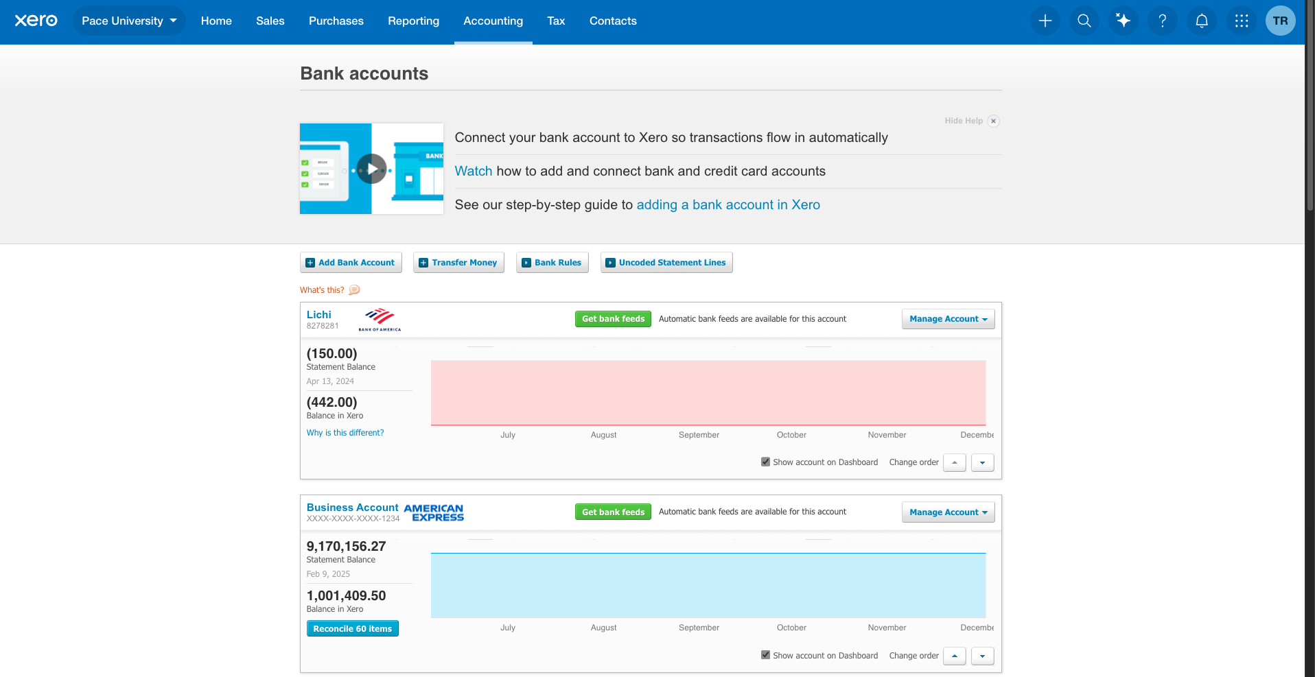

Test case 15
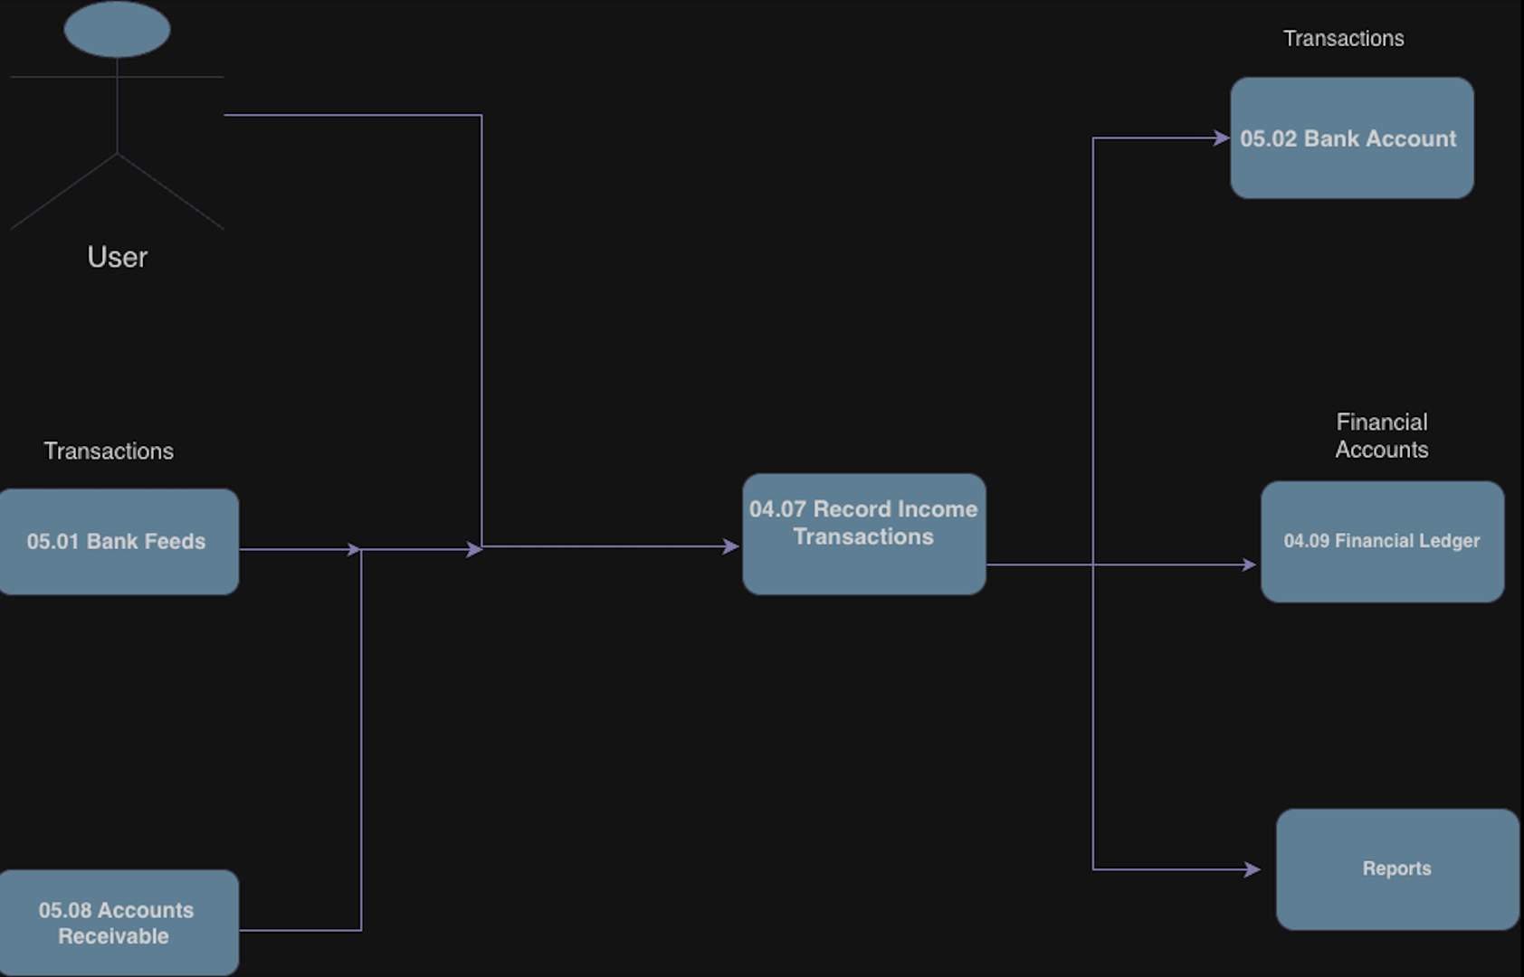
TC Title: | Record Income Transactions — Data Flow In

TC Objective: | Validate that income transactions can originate from upstream flows (e.g., bank feeds, invoice payments) and that data is mapped correctly into the Record Income form.

Test Data (optional): | Bank Feed Transaction: Deposit $500 from Customer A Invoice Payment: Invoice #123, $250 paid by Customer B

TC Description
 | Step | Step Description | Expected Results
 | 1 | Log in as Advisor. | Dashboard loads.
 | 2 | Navigate to Bank Accounts → Reconcile. | Bank feed transactions visible.
 | 3 | Select deposit transaction ($500 from Customer A). Click Create → Receive Money. | Record Income form opens pre‑populated with Contact = Customer A, Amount = $500, Date = feed date.
 | 4 | Review pre‑populated fields. | Contact, Amount, Date mapped correctly; Account defaults applied; Tax Rate defaults applied.
 | 5 | Adjust Account to Sales Income and click Save. | Transaction saved successfully; mapped correctly to GL.
 | 6 | Navigate to Invoices → Payments. | Invoice #123 payment visible.
 | 7 | Select payment ($250 from Customer B). | Record Income form opens pre‑populated with Contact = Customer B, Amount = $250, Date = payment date.
 | 8 | Save transaction. | Transaction saved successfully; linked to invoice payment; reflected in GL and AR reports.
 | 9 | Verify in General Ledger and Bank Account balance. | Both transactions appear correctly; upstream data mapped without errors.

